Sheet1
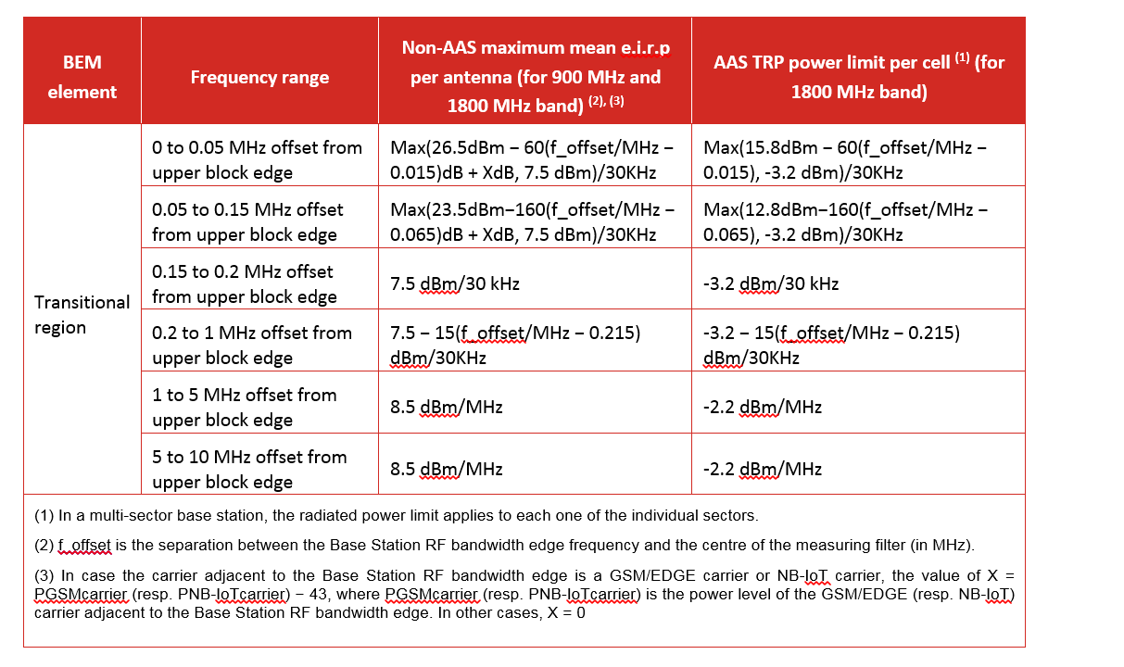
Integration of the first 3 steps of the out of block limits correspnding to the range between 0 and 200KHz. (see on the side extract from draft CEPT report B (Table 6: BS Transitional region power limits) that is reflecting the detailed steps as defined in ETSI HS assuming for non- AAS an antenna gain of 20dB

 | Integration of non-AAS BS EIRP (Conducted+antenna gain) out of block limit between 0-200KHz |  |  | Integration of AAS BS TRP out of block limit between 0-200KHz
 | x | 8

f-ofset（MHz） | dBm | W | dBm | dBm | W | dBm
0.015 | 34.5 | 2.8183829313 |  | 15.8 | 0.038018939632
0.045 | 32.7 | 1.8620871367 |  | 14 | 0.025118864315
0.075 | 29.9 | 0.97723722096 |  | 11.2 | 0.013182567386
0.105 | 25.1 | 0.32359365693 |  | 6.4 | 0.0043651583224
0.135 | 20.3 | 0.10715193052 |  | 1.6 | 0.0014454397707
0.165 | 15.5 | 0.035481338923 |  | -3.2 | 0.00047863009232
0.195 | 7.5 | 0.0056234132519 |  | -3.2 | 0.00047863009232
 | sum | 6.1295576285 | 37.874291325 | sum | 0.083088229611 | 19.195395054

